Sheet1
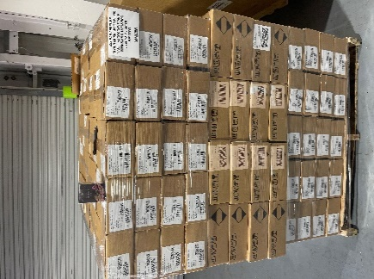
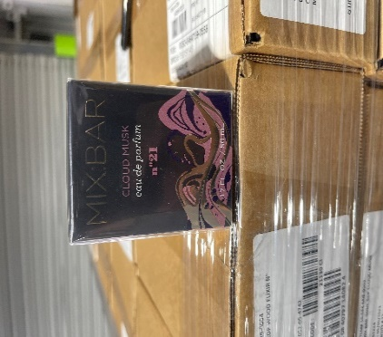
Mix Bar Cloud Musk Parfum 1.7 OZ
UPC # | Units/cs | # of Cases | Total Units | Retail | Picture | Total Retail
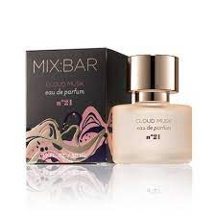
4079714081 | 12 | 318 | 3,816 | $18.99 |  | $72,465.84

